1.1
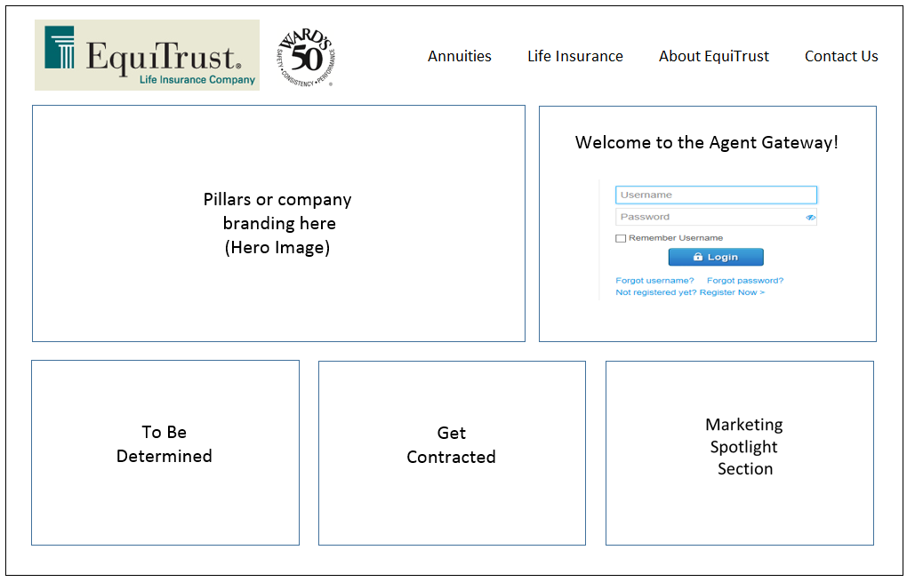
Etool | 5952 | Notes
 |  | 1 | Page should follow an 8/4 pattern- the hero image will be 2/3 of the page with the other 3rd being login credentials
 |  | 2 | Add a button on the login area for user to return to corporate website - "I'm actually a client"
 |  | 3 | On top navigation bar: - Annuities will take you to the corporate "Products" page in the annuities section -Life Insurance will take you to the corporate "Products" page in the life section - About EquiTrust will take you to the corporate "About" page - Contact us will take you to the corporate "Contact Us" page
 |  | 4 | Mobile view: the hero image disappears, Agent Gateway is on top, Get contracted next, and then the marketing spotlight
 |  | 5 | After discussion on 3/5/18 -
 |  |  | Data for Annuities and life will be shared between corporate website and agent portal
 |  |  | menu bar on the top needs to be removed
 |  |  | Annuities, life and about us may be moved to buttons on the page, but need access prior to agent having to login

1.2
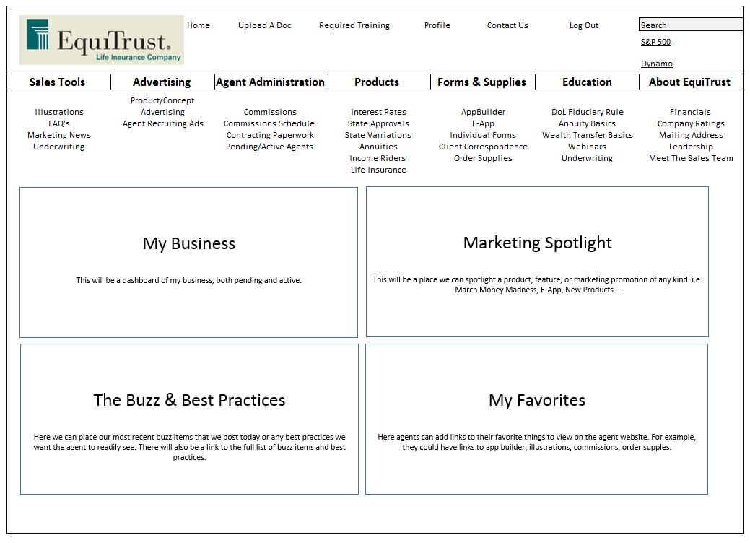
Etool | 5951 | Notes
 |  | 1 | The Equitrust logo will serve as a home button
 |  | 2 | On the top navigation bar: the home buttone may not be needed, the upload doc is still under review, required training will take the user to the sucessCE training site, Profile and Contact us tbd, Log Out returns user to the login page.
 |  | 3 | The second navigation bar will have a hover feature: the items listed below the outlined box appear when hovering over the box.
 |  | 4 | The My Business dash board is TBD
 |  | 5 | Marketing spotlight will be promotional items for the week or month ie -new rates or new products.
 |  | 6 | The buzz section will only hold about 3 buzz items, there will be a link to all remaining buzz items
 |  | 7 | The My Favorites will be a drag and drop feature to pull down any of the items in the second navigation bar to this area for quicker reference.
 |  | 8 | Mobile view: the second navigation bar becomes the flyout selection list, all other items on this page would force the user to the mobile app

2.1
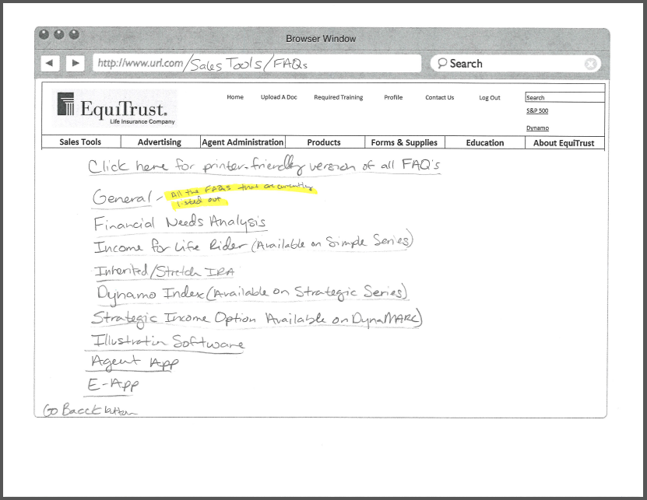
Etool | 5949 | Notes
 |  | 1 | Click here for a printer friendly version will compile all FAQs to a pdf for printing
 |  | 2

2.2
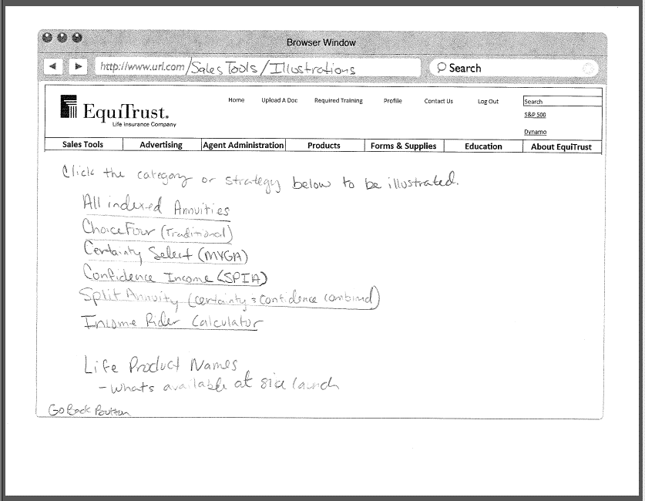
Etool | 5950

4.2
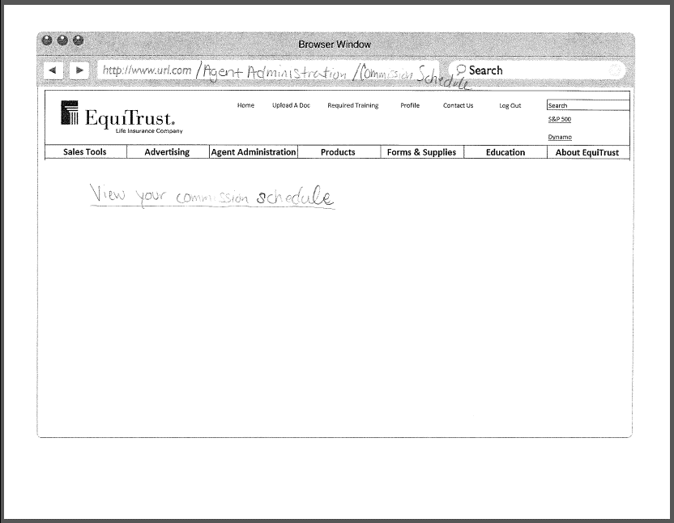
Etool | 5953 | Notes
 |  | 1 | What happens if the agent is licensed for both life and annuity?

4.3
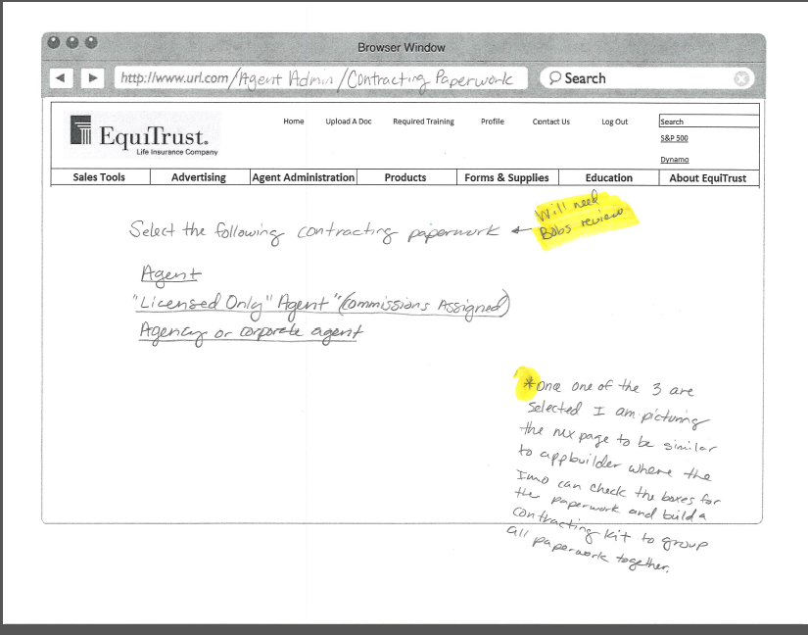
Etool | 5954 | Notes
 |  | 1
 |  | 2
 |  | 3

6.1
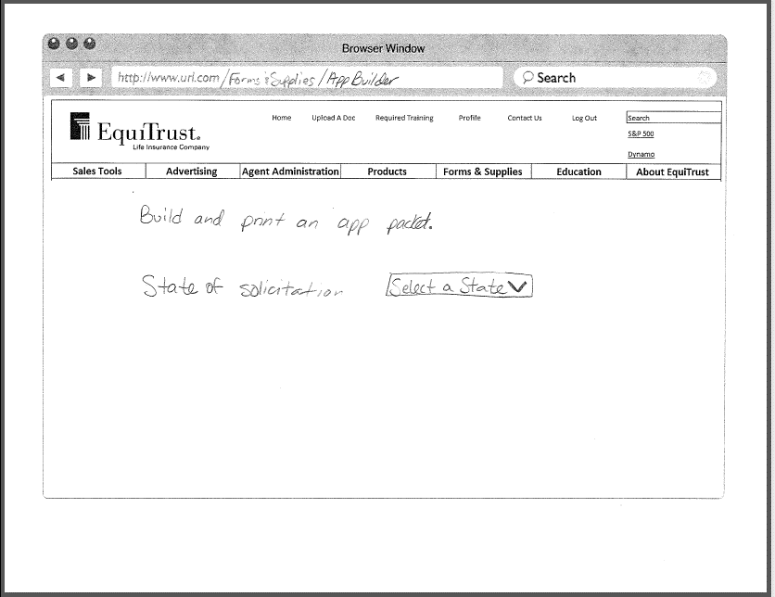
Etool | 5955 | Notes
 |  | 1
 |  | 2
 |  | 3

7.1
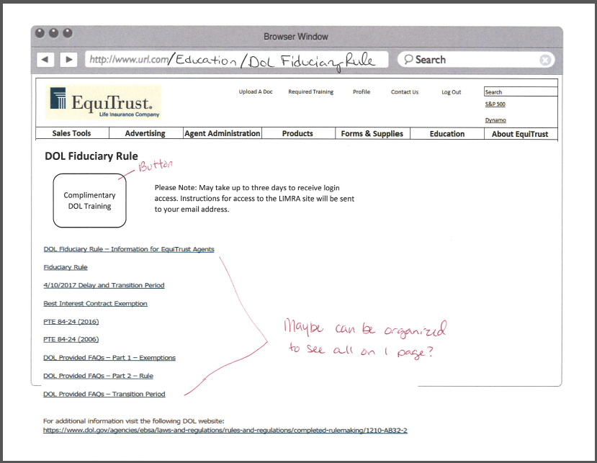
Notes
1
2
3

8.1
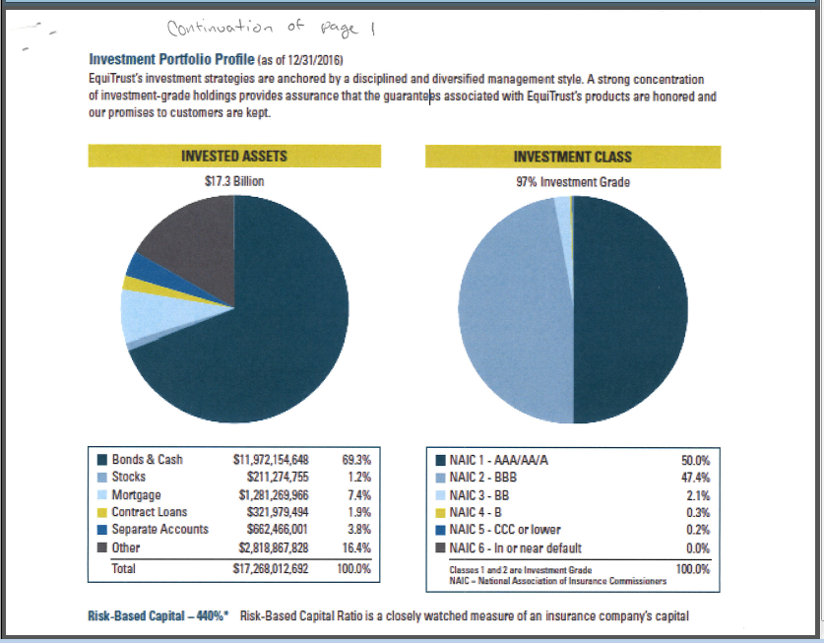
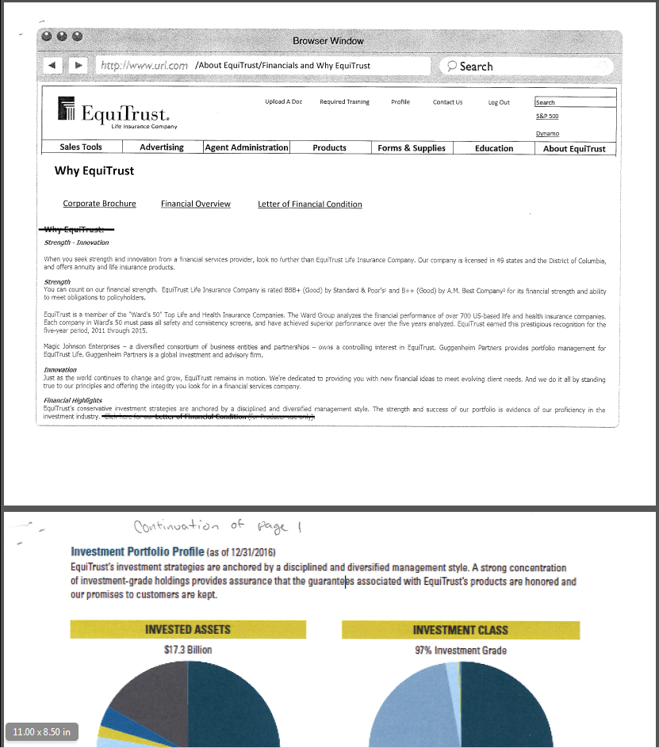
Notes
1
2
3

8.2
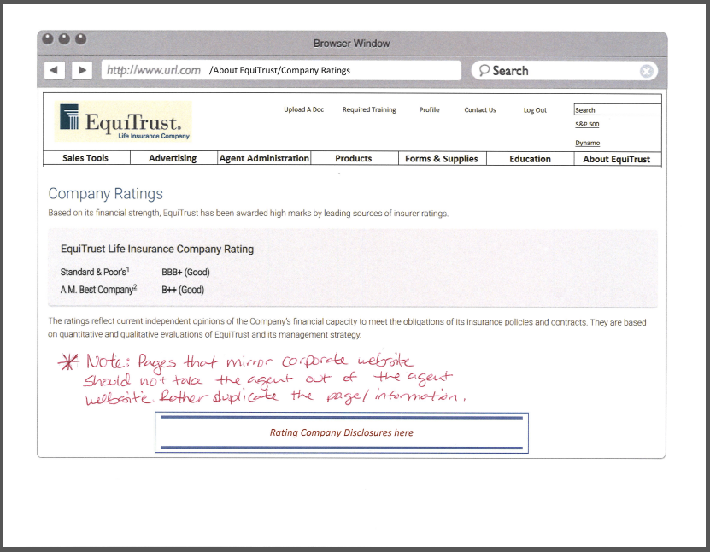
Notes
1
2
3

8.3
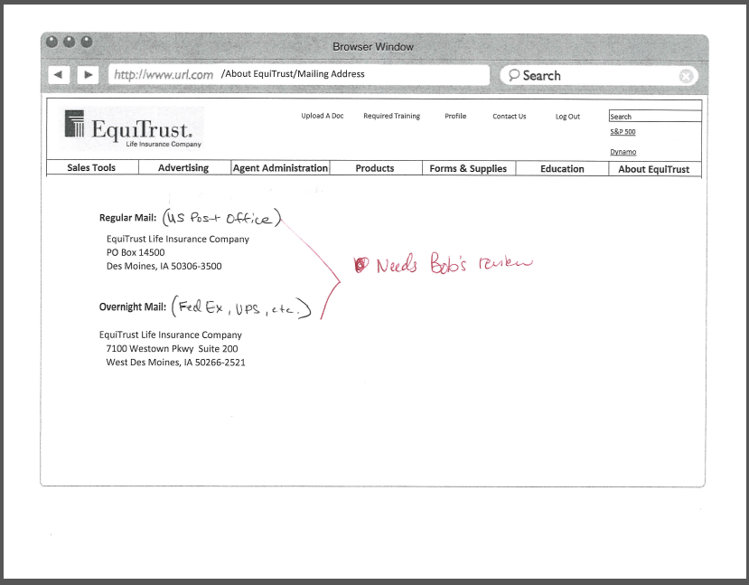
Notes
1
2
3

8.4
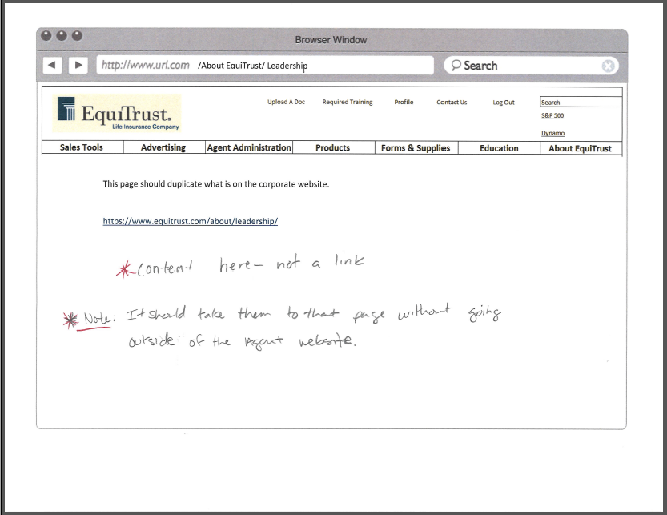
Notes
1
2
3

8.5
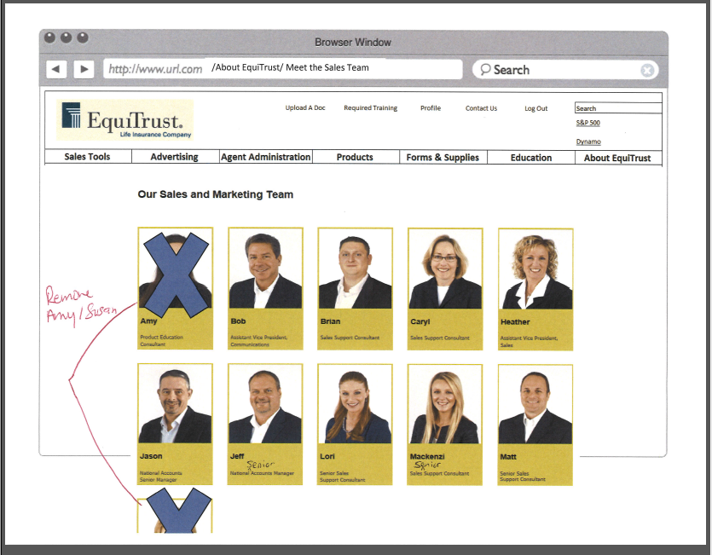
Notes
1
2
3

